Instructions
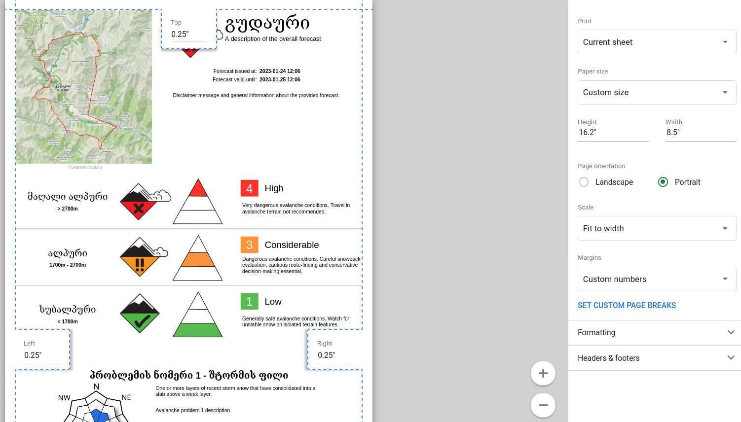
 | Printing the Print sheet:

TODO
Make script installable to trigger the AUTH flow https://stackoverflow.com/questions/59453039/how-do-i-keep-google-appscript-triggers-when-a-copy-is-made-of-a-sheet

Terms
Avalanche Problem Types
ID | Localization ID | Name (English) | About Localization ID | Icon
0 | problem-type-loose-dry | Loose Dry | problem-type-loose-dry-about
1 | problem-type-loose-wet | Loose Wet | problem-type-loose-wet-about
2 | problem-type-storm-slab | Storm Slab | problem-type-storm-slab-about
3 | problem-type-wind-slab | Wind Slab | problem-type-wind-slab-about
4 | problem-type-wet-slab | Wet Slab | problem-type-wet-slab-about
5 | problem-type-persistent-slab | Persistent Slab | problem-type-persistent-slab-about
6 | problem-type-deep-slab | Deep Slab | problem-type-deep-slab-about
7 | problem-stype-cornice | Cornice | problem-stype-cornice-about
8 | problem-type-glide | Glide | problem-type-glide-about

Elevation Zones
ID | Localization ID | Name (English) | About Localization ID | URL Parameter
sub_alpine | elevation-zone-sub-alpine | Sub Alpine | elevation-zone-sub-alpine-about | sub_alpine
alpine | elevation-zone-alpine | Alpine | elevation-zone-alpine-about | alpine
high_alpine | elevation-zone-high-alpine | High Alpine | elevation-zone-high-alpine-about | high_alpine

Languages
ID | Localization ID | Name (English) | About Localization ID | Localization Column Index | Language ID
0 |  | English |  | 3 | en
1 |  | Georgian |  | 5 | ka

Avalanche Size
ID | Localization ID | Name (English) | About Localization ID
1 | avalanche-size-1 | 1 | avalanche-size-1-about
2 | avalanche-size-2 | 2 | avalanche-size-2-about
3 | avalanche-size-3 | 3 | avalanche-size-3-about
4 | avalanche-size-4 | 4 | avalanche-size-4-about
5 | avalanche-size-5 | 5 | avalanche-size-5-about

Avalanche Likelihood
ID | Localization ID | Name (English) | About Localization ID
0 | avalanche-likelihood-unlikely | Unlikely | avalanche-likelihood-unlikely-about
1 | avalanche-likelihood-possible | Possible | avalanche-likelihood-possible-about
2 | avalanche-likelihood-likely | Likely | avalanche-likelihood-likely-about
3 | avalanche-likelihood-very-likely | Very likely | avalanche-likelihood-very-likely-about

Hazard Trend
ID | Localization ID | Name (English) | About Localization ID
0 | trend-improving | Improving | trend-improving-about
1 | trend-no-change | No change | trend-no-change-about
2 | trend-deteriorating | Deteriorating | trend-deteriorating-about

Slope Aspects
ID | Localization ID | Name (English) | About Localization ID
N | slope-aspect-north | North
NE | slope-aspect-north-east | North-East
E | slope-aspect-east | East
SE | slope-aspect-south-east | South-East
S | slope-aspect-south | South
SW | slope-aspect-south-west | South-West
W | slope-aspect-west | West
NW | slope-aspect-north-west | North-West

Forecast Confidence
ID | Localization ID | Name (English) | About Localization ID
0 | confidence-low | Low | confidence-low-about
1 | confidence-moderate | Moderate | confidence-moderate-about
2 | confidence-high | High | confidence-high-about

Hazard Rating
ID | Localization ID | Name (English) | About Localization ID | Name With Number | URL Parameter | Icon
? | avalanche-hazard-no-rating | No Rating | avalanche-hazard-no-rating-about | No Rating | no_rating
1 | avalanche-hazard-low | Low | avalanche-hazard-low-about | Low 1 | low
2 | avalanche-hazard-moderate | Moderate | avalanche-hazard-moderate-about | Moderate 2 | moderate
3 | avalanche-hazard-considerable | Considerable | avalanche-hazard-considerable-about | Considerable 3 | considerable
4 | avalanche-hazard-high | High | avalanche-hazard-high-about | High 4 | high
5 | avalanche-hazard-extreme | Extreme | avalanche-hazard-extreme-about | Extreme 5 | extreme

Forecast Area
ID | Localization ID | Name (English) | About Localization ID | Elevation Zones | Elevation Zone Boundaries | Map
0 | forecast-area-gudauri | Gudauri |  | high_alpine, alpine, sub_alpine | 2600m, 2000m | 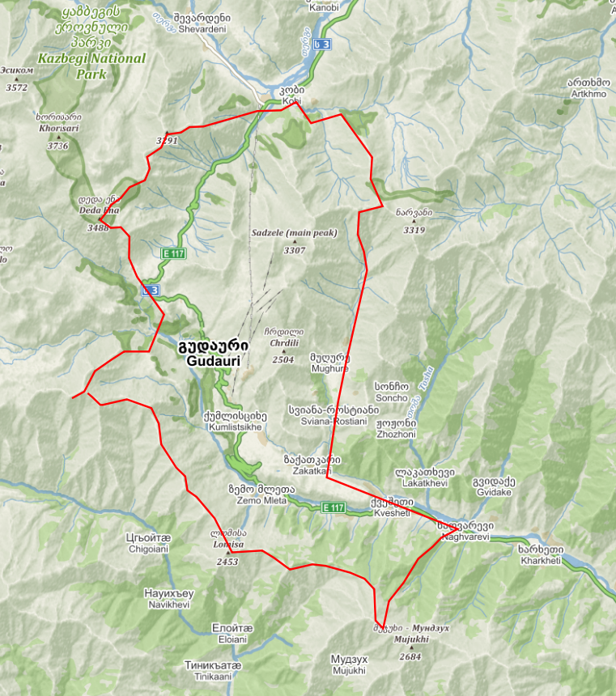

Time Of Day
ID | Localization ID | Name (English) | About Localization ID
0 | time-of-day-all-day | All day
1 | time-of-day-morning | Morning
2 | time-of-day-afternoon | Afternoon

Server Settings
Server URL | https://georgia-avalanche-report.fly.dev
Image Seed | 1
Github URL | https://github.com/kellpossible/avalanche-report

Sensitivity/Stability
ID | Localization ID | Name (English) | About Localization ID
0 | sensitivity-unreactive | Unreactive | sensitivity-unreactive-about
1 | sensitivity-stubborn | Stubborn | sensitivity-stubborn-about
2 | sensitivity-reactive | Reactive | sensitivity-reactive-about
3 | sensitivity-touchy | Touchy | sensitivity-touchy-about

Spatial Distribution
ID | Localization ID | Name (English) | About Localization ID
0 | distribution-isolated | Isolated | distribution-isolated-about
1 | distribution-specific | Specific | distribution-specific-about
2 | distribution-widespread | Widespread | distribution-widespread-about

Months of the Year
ID | Localization ID | Name (English) | Short Localization ID | Short Name (English)
1 | month-january | January | month-january-short | Jan
2 | month-february | February | month-february-short | Feb
3 | month-march | March | month-march-short | Mar
4 | month-april | April | month-april-short | Apr
5 | month-may | May | month-may-short | May
6 | month-june | June | month-june-short | Jun
7 | month-july | July | month-july-short | Jul
8 | month-august | August | month-august-short | Aug
9 | month-september | September | month-september-short | Sep
10 | month-october | October | month-october-short | Oct
11 | month-november | November | month-november-short | Nov
12 | month-december | December | month-december-short | Dec

Forecaster Publish
ID | Localization ID | Name (English)
0 | forecaster-publish-none | None
1 | forecaster-publish-both | Name & Organisation
2 | forecaster-publish-only-name | Only Name
3 | forecaster-publish-only-organization | Only Organisation

